Azure Storage
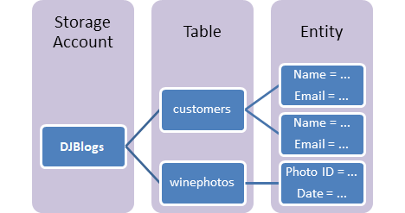
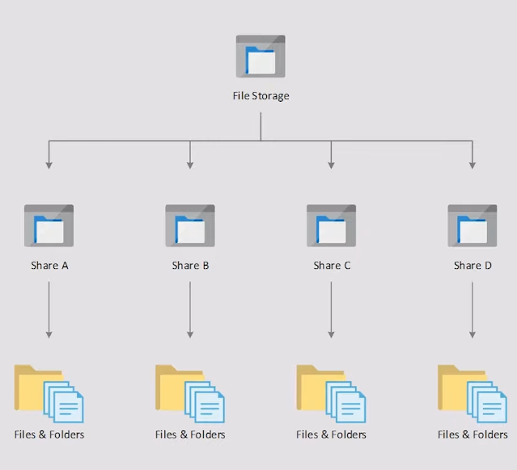
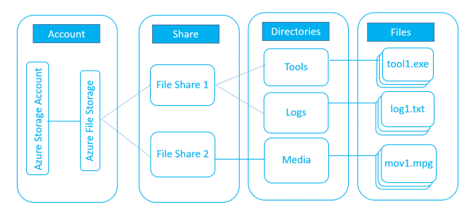
Azure Storage Account

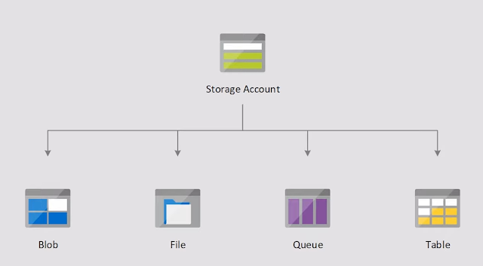
 |  |  | Storage solution for modern data storage scenarios

 |  |  | Offer a massively scalable object store for
 |  |  |  | data objects
 |  |  |  | disk storage for Azure virtual machines (VMs)
 |  |  |  | a file system service for the cloud
 |  |  |  | a messaging store for reliable messaging
 |  |  |  | a fileshare service
 |  |  |  | and a NoSQL store.

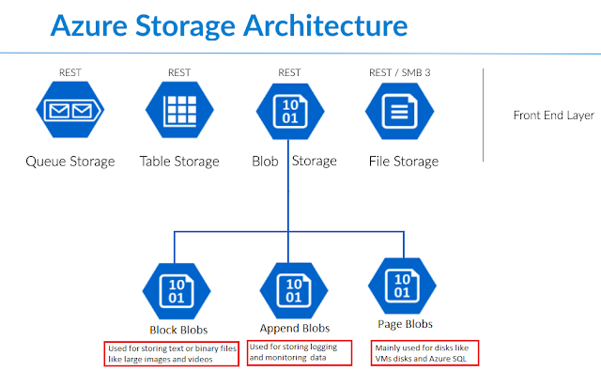

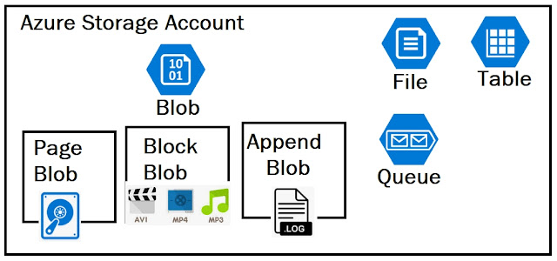
 |  | Block Blobs
 |  |  | Block blobs are composed of blocks and are ideal for storing text or binary files, and for uploading large files efficiently.
 |  |  | Blocks of block blob can be managed individually.
 |  |  | Block blobs store up to about 4.75 TB of data.

 |  | Append Blobs
 |  |  | Append blobs are also made up of blocks, but they are optimized for append operations, making them ideal for logging scenarios.
 |  |  | An append blob is comprised of blocks and is optimized for append operations.
 |  |  | When you modify an append blob, blocks are added to the end of the blob only, via the Append Block operation.
 |  |  | Updating or deleting of existing blocks is not supported. Unlike a block blob, an append blob does not expose its block IDs.

 |  | Page Blobs

 |  |  | Page blobs are made up of 512-byte pages up to 8 TB in total size and are designed for frequent random read/write operations.
 |  |  | Page blobs are the foundation of Azure IaaS Disks.
 |  |  | Page blobs are a collection of 512-byte pages, which provide the ability to read/write arbitrary ranges of bytes.
 |  |  | Hence, page blobs are ideal for storing index-based and sparse data structures like OS and data disks for Virtual Machines and Databases.

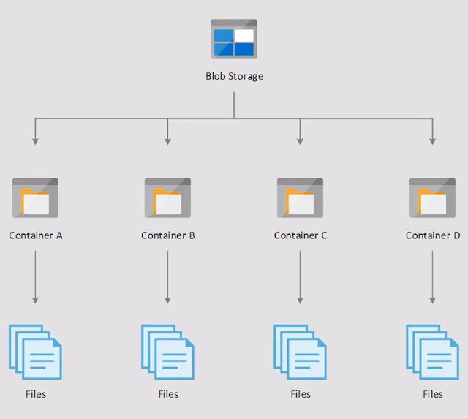

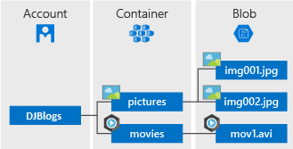

 |  |  |  |  | vacation
 |  |  |  |  |  | summer
 | vacation/winter/mypic2.jpg |  |  |  |  |  | mypic.jpg
 | vacation/summer/mypic.jpg
 |  |  |  |  |  | winter
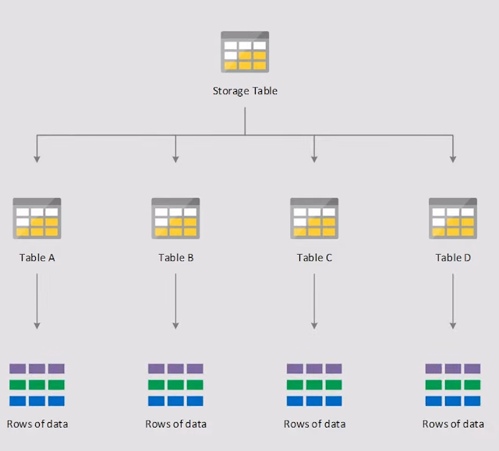
 |  |  |  |  |  |  | mypic2.jpg

CosmosDB
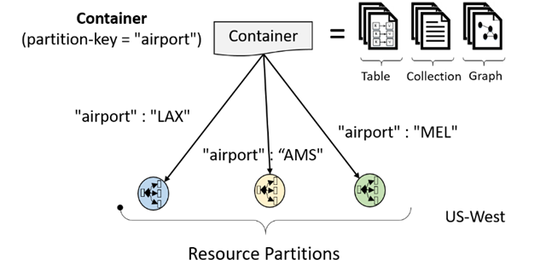
 | Azure Cosmos DB is Microsoft’s globally distributed, horizontally partitioned, multi-model database service.

 | The service is designed to allow customers to elastically (and independently) scale throughput and storage across any number of geographical regions.

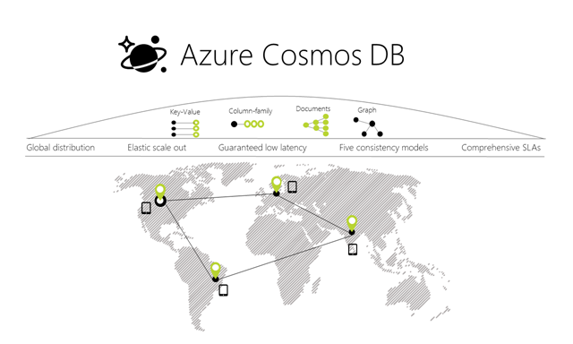
 | A Multi-Model, Multi-API Database Service

Resource Model and API Projections

 | Developers can start using Azure Cosmos DB by provisioning a database account using their Azure subscription.

 | An Azure Cosmos DB database in-turn manages users, permissions and containers.

 | An Azure Cosmos DB container is a schema-agnostic container of arbitrary user-generated entities and stored procedures, triggers and user-defined-functions (UDFs).

 | Each resource is uniquely identified by a stable and logical URI and represented as a JSON document.

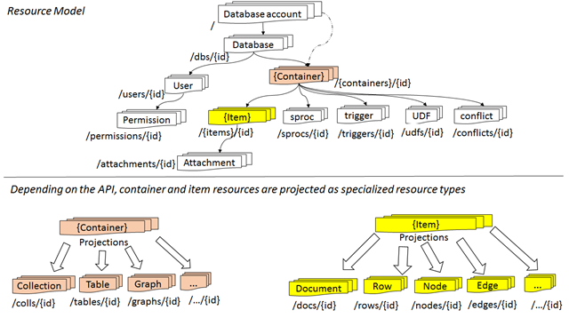

 |  | API | Container is projected as … | Item is projected as …
 |  | DocumentDB SQL | Collection | Document
 |  | MongoDB | Collection | Document
 |  | Azure Table Storage | Table | Item
 |  | Gremlin | Graph | Node and Edge

Horizontal Partitioning

 | All the data within an Azure Cosmos DB container (e.g. collection, table, graph etc.) is horizontally partitioned and transparently managed by resource partitions

 | A resource partition is a consistent and highly available container of data partitioned by a customer specified partition-key and is a fundamental unit of scalability and distribution

 | Azure Cosmos DB is designed for customer to elastically scale throughput based on the application traffic patterns across different geographical regions to support fluctuating workloads varying both by geography and time.

 | The system manages the partitions transparently without compromising the availability, consistency, latency or throughput of an Azure Cosmos DB container.

